Sheet1

PIONEER SERVICES



M/S Iqbal sons |  |  |  |  |  | 1-Jan-25

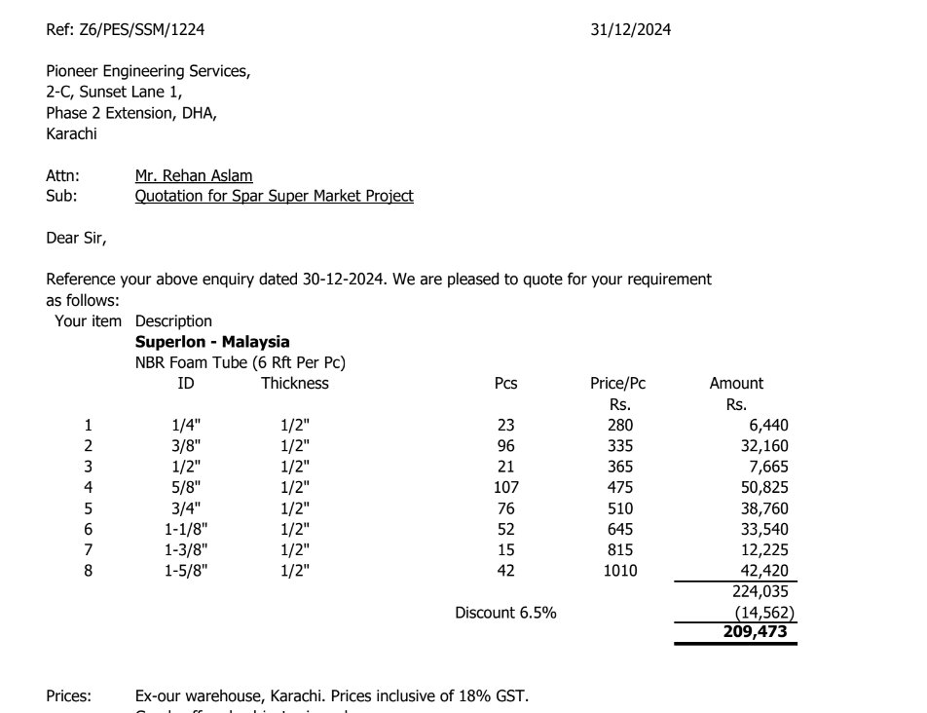
PO # 13890

Att: Mr. Amjad

PURCHASE ORDER

Supply of Super loan insulation for the project Spar super market
S No. | D e s c r i p t i o n | Size | Qty | Unit | Rate | Amount
 | Brand: Super loan
1 | Super loan insulation thickness 12mm | 1/4" | 25 | Len | 280 | 7,000
2 | Super loan insulation thickness 12mm | 3/8" | 103 | Len | 335 | 34,505
3 | Super loan insulation thickness 12mm | 1/2" | 33 | Len | 365 | 12,045
4 | Super loan insulation thickness 12mm | 5/8" | 117 | Len | 475 | 55,575
5 | Super loan insulation thickness 12mm | 3/4" | 82 | Len | 510 | 41,820
6 | Super loan insulation thickness 12mm | 1-1/8" | 57 | Len | 645 | 36,765
7 | Super loan insulation thickness 12mm | 1-3/8" | 16 | Len | 815 | 13,040
8 | Super loan insulation thickness 12mm | 1-5/8" | 48 | Len | 1,010 | 48,480
 |  |  | TOTAL: |  |  | 249,230
Discount 6.5% |  |  |  |  |  | 16,200
Total amount |  |  |  |  |  | 233,030

Note: This PO is subject to the consultant's approval.

for Pioneer Engineering Services

